Add Solver-Developer
Windows | Macs
Adding Solver
File
Options
Add-Ins
Excel Add-Ins >> Go
Solver >> OK
Adding Solver
Tools
Add-Ins
Solver Add-in
Anaysis ToolPak
OK

Adding Developer
File
Options
Customize Ribbon
Main tab (on right)
Check Developer item
Adding Developer
Open Excel for Mac.
Click the Excel tab at the top of the screen.
Choose the Preferences option.
Select the Ribbon & Toolbar option.
Check the box to the left of Developer in the right column.
Click the Save button.

Solver
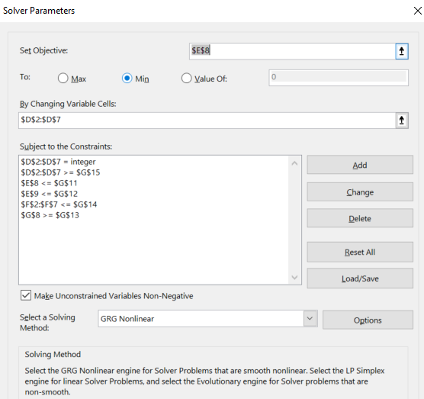
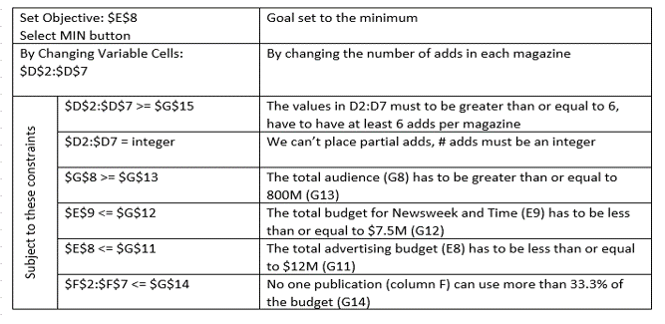
Publication | Cost per ad | Audience per ad (millions) | Number of ads placed | Total Cost | Percent of Total Cost | Total Audience (millions)
Newsweek | $147,420 | 9.9 | 1 | $147,420 | 26.3% | 9.9
Time | $124,410 | 8.4 | 1 | $124,410 | 22.2% | 8.4
US News and World Report | $113,100 | 8.2 | 1 | $113,100 | 20.2% | 8.2
People | $70,070 | 5.1 | 1 | $70,070 | 12.5% | 5.1
Florida Today | $53,000 | 3.7 | 1 | $53,000 | 9.5% | 3.7
Southern Times | $52,440 | 3.6 | 1 | $52,440 | 9.4% | 3.6
Total |  |  |  | $560,440 |  | 38.9
Total - Time & Newsweek |  |  |  | $271,830

 |  |  |  |  | Total advertising budget: | $12,000,000
 |  |  |  |  | Total budget for Newsweek & Time | $7,500,000
 |  |  |  |  | Minimum total audience (millions): | 800
 |  |  |  |  | Maximum % of budget spent on any one publication: | 33.3%
 |  |  |  |  | Minimum number of ads per publication: | 6
 |  |  |  |  | Number of ads placed must be an integer (no partial ads placed):

